Search mode
Customer | Order Date | new | When was the last order?
Lola | 2020-01-16 | 10 | Customer | Date
Bob | 2020-05-28 | 600 | Lola | 2020-07-13
Patrick | 2020-05-30 | 500 | Lola | 2020-01-16
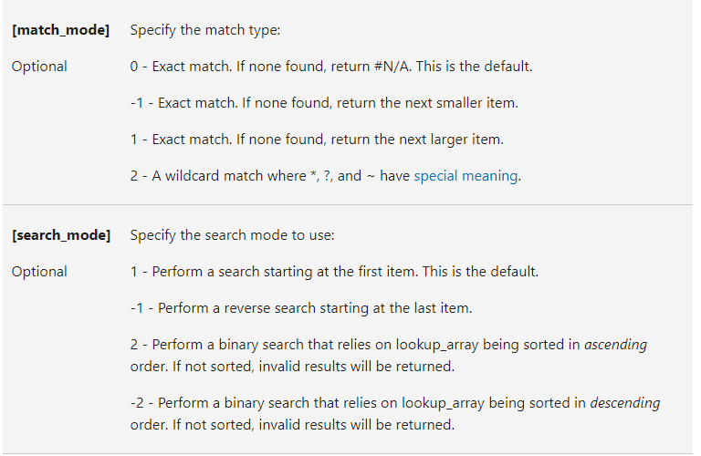
Rajani | 2020-05-31 | 400
Kevin | 2020-06-08 | 300
Lola | 2020-06-11 | 200
Lola | 2020-07-13 | 100
Lucy | 2020-09-22 | 90
Patrick | 2020-10-03 | 80
Lucy | 2020-10-10 | 70
Daisy | 2020-10-29 | 60
Kevin | 2020-11-12 | 50
Bill | 2020-12-01 | 40
Kendra | 2020-12-19 | 30
Kevin | 2020-12-23 | 20

 |  |  | 500 | Patrick

